Simulator 2022
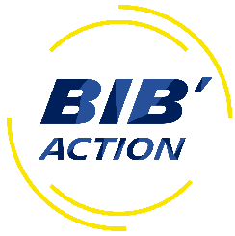
The choice is yours.....
Do you want to become a Michelin shareholder?

The information below is for guidance only and does not constitute financial advice

 | Example share price | € 24.00
 | Example exchange rate of | € 1.16 | £20.69
PLEASE INSERT VALUES INTO BLUE CELLS

Enter the monthly amount you wish to subscribe: THE MINIMUM £10 per month. THE MAXIMUM £450 per month. | How many partnership shares potentially can I buy based on a monthly subscription amount of: | How many free matching shares would I receive? | Taking into account the free matching shares, the GROSS COST per share (before tax and NIC savings) works out at | Taking account of your tax status you will achieve further Tax and NIC savings. The NET COST per share works out at a very attractive rate of
£250.00 | £250.00 |  | £14.39 | £9.61

Select your tax status - Are you a basic rate 20% or higher rate 40% tax payer? | Using todays share price of: |  | vs the current market value of the share | Giving you a total saving of

20% | £20.69 |  | £20.69 | £764.69

Net cost to you each month: | Number of shares purchased:
£166.88 | 48 | 21

 | Money to be returned to employee (subject to tax and NIC deductions) | Total number of shares awarded:
 | £6.90 | 69

